INSTRUCTIONS
 | Click "File"
 |  | 1 | c
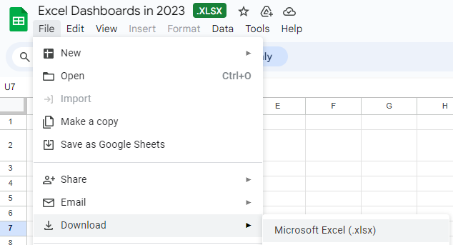

then Choose "Download"
to Microsoft Excel

Calc
 |  |  |  | Headers
 |  |  | Sales | $754,941
Sum of Sales | Sum of Profit | Sum of Customers | Profit | $891,111
754940.7 | 891111 | 9360 | Customers | 9,360

Average of Sales Completion Rate | Average of Profit Completion Rate | Average of Customer Completion Rate | Sales Completion | 86%
86% | 85% | 84% | Sales Incompletion | 14%

 |  |  | Profit Completion | 85%
 |  |  | Profit Incompletion | 15%

 |  |  | Customer Completion | 84%
 |  |  | Customer Incompletion | 16%

Row Labels | Sum of Sales | Sum of Target Sales | Row Labels | Sales | Target Sales
01-Jan | 30,000 | 20,000 | Jan-23 | 30,000 | 20,000
01-Feb | 45,000 | 10,000 | Feb-23 | 45,000 | 10,000
01-Mar | 60,000 | 10,000 | Mar-23 | 60,000 | 10,000
01-Apr | 55,000 | 40,000 | Apr-23 | 55,000 | 40,000
01-May | 80,000 | 20,000 | May-23 | 80,000 | 20,000
01-Jun | 100,000 | 6,000 | Jun-23 | 100,000 | 6,000
01-Jul | 129,941 | 5,000 | Jul-23 | 129,941 | 5,000
01-Aug | 130,000 | 5,000 | Aug-23 | 130,000 | 5,000
01-Sep | 125,000 | 2,000 | Sep-23 | 125,000 | 2,000
Grand Total | 754,941 | 118,000 | Grand Total | 754,941 | 118,000

Row Labels | Sum of Customers |  | Row Labels | Sum of Customers
01-Jan | 300 |  | 01-Jan | 300
01-Feb | 310 |  | 01-Feb | 310
01-Mar | 300 |  | 01-Mar | 300
01-Apr | 700 |  | 01-Apr | 700
01-May | 650 |  | 01-May | 650
01-Jun | 1,600 |  | 01-Jun | 1,600
01-Jul | 1,800 |  | 01-Jul | 1,800
01-Aug | 1,700 |  | 01-Aug | 1,700
01-Sep | 2,000 |  | 01-Sep | 2,000
Grand Total | 9,360 |  | Grand Total | 9,360

Row Labels | Sum of Profit |  | Row Labels | Sum of Profit
Argentina | 126,081 |  | Argentina | 126,081
Brazil | 129,875 |  | Brazil | 129,875
Chicaco | 126,793 |  | Chicaco | 126,793
Chile | 128,833 |  | Chile | 128,833
Columbia | 125,980 |  | Columbia | 125,980
Los Angeles | 126,209 |  | Los Angeles | 126,209
Peru | 127,340 |  | Peru | 127,340
Grand Total | 891,111 |  | Grand Total | #REF!

Dashboard
EXCEL DASHBOARD 2023

Sales
Sales Completion | 86%
Sales Incompletion | 14%
Profit
Profit Completion | 85%
Profit Incompletion | 15%
No of Customers
Customer Completion | 84%
Customer Incompletion | 16%
$754,941
$891,111
9,360

Sales Per Month
Customers per month
 | Sales | Target Sales
Jan-23 | 30,000 | 20,000
Feb-23 | 45,000 | 10,000
Mar-23 | 60,000 | 10,000
Apr-23 | 55,000 | 40,000
May-23 | 80,000 | 20,000
Jun-23 | 100,000 | 6,000
Jul-23 | 129,941 | 5,000
Aug-23 | 130,000 | 5,000
Sep-23 | 125,000 | 2,000
 | Sum of Customers
01-Jan | 300
01-Feb | 310
01-Mar | 300
01-Apr | 700
01-May | 650
01-Jun | 1,600
01-Jul | 1,800
01-Aug | 1,700
01-Sep | 2,000

profit per region
 | Sum of Profit
Argentina | 126,081
Brazil | 129,875
Chicaco | 126,793
Chile | 128,833
Columbia | 125,980
Los Angeles | 126,209
Peru | 127,340

